Sheet1
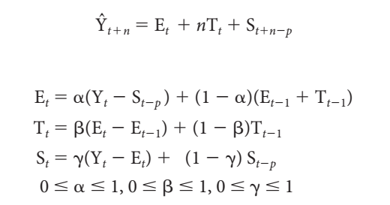
 |  | Time | Actual Demand | Base level Et | Trend Factor Tt | Seasonal Factor St | Forecast |  | alpha | 0.1312008257
Year | Month | Period |  |  |  |  |  |  | beta | 0 | MSE | 21757.460937
2004 | 1 | 1 | 1040 | -- | -- | 711.67 |  |  | gamma | 0.5
 | 2 | 2 | 370 | -- | -- | 41.67
 | 3 | 3 | 380 | -- | -- | 51.67 |  | 31.a | The optimal values of alpha, beta and gamma are obtained in the table above.
 | 4 | 4 | 200 | -- | -- | -128.33
 | 5 | 5 | 20 | -- | -- | -308.33
Comparision of original data and predicted data
 | Actual Demand | Forecast
 | 1040
 | 370
 | 380
 | 200
 | 20
 | 30
 | 0
 | 10
 | 90
 | 510
 | 680
 | 610
 | 670 | 1040
 | 430 | 321.45569449
 | 410 | 345.696797
 | 280 | 174.13343033
 | 200 | 8.0232116828
 | 30 | 43.210724825
 | 0 | 11.47746682
 | 0 | 19.971613696
 | 120 | 97.351321489
 | 580 | 520.32284681
 | 810 | 698.15253858
 | 850 | 642.82701787
 | 6 | 6 | 30 | -- | -- | -298.33
 | 7 | 7 | 0 | -- | -- | -328.33
 | 8 | 8 | 10 | -- | -- | -318.33
 | 9 | 9 | 90 | -- | -- | -238.33
 | 10 | 10 | 510 | -- | -- | 181.67
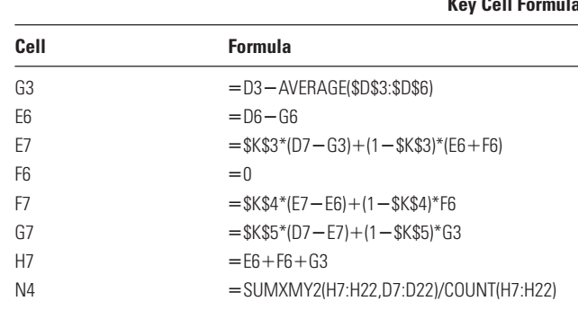
 | 11 | 11 | 680 | -- | -- | 351.67
 | 12 | 12 | 610 | 328.333 | 0 | 281.67
2005 | 1 | 13 | 670 | 279.789 | 0.000 | 550.939 | 1040.000
 | 2 | 14 | 430 | 294.030 | 0.000 | 88.818 | 321.456
 | 3 | 15 | 410 | 302.467 | 0.000 | 79.600 | 345.697
 | 4 | 16 | 280 | 316.357 | 0.000 | -82.345 | 174.133
 | 5 | 17 | 200 | 341.544 | 0.000 | -224.939 | 8.023
 | 6 | 18 | 30 | 339.811 | 0.000 | -304.072 | 43.211
 | 7 | 19 | 0 | 338.305 | 0.000 | -333.319 | 11.477
 | 8 | 20 | 0 | 335.685 | 0.000 | -327.009 | 19.972
 | 9 | 21 | 120 | 338.656 | 0.000 | -228.495 | 97.351
 | 10 | 22 | 580 | 346.486 | 0.000 | 207.590 | 520.323 | 31.b | The line graph comparing the predictions against the original data is given above.
 | 11 | 23 | 810 | 361.160 | 0.000 | 400.253 | 698.153
 | 12 | 24 | 850 | 388.342 | 0.000 | 371.663 | 642.827
2006 | 1 | 25 | -- |  |  |  | 939.28043695
 | 2 | 26 | -- |  |  |  | 477.15988569 | 31.c | The forecast for each month in 2006 using this technique is given in the table above in Forecast column in red text.
 | 3 | 27 | -- |  |  |  | 467.94156903
 | 4 | 28 | -- |  |  |  | 305.99667835
 | 5 | 29 | -- |  |  |  | 163.40292178
 | 6 | 30 | -- |  |  |  | 84.269550782

